Ballasting Tool
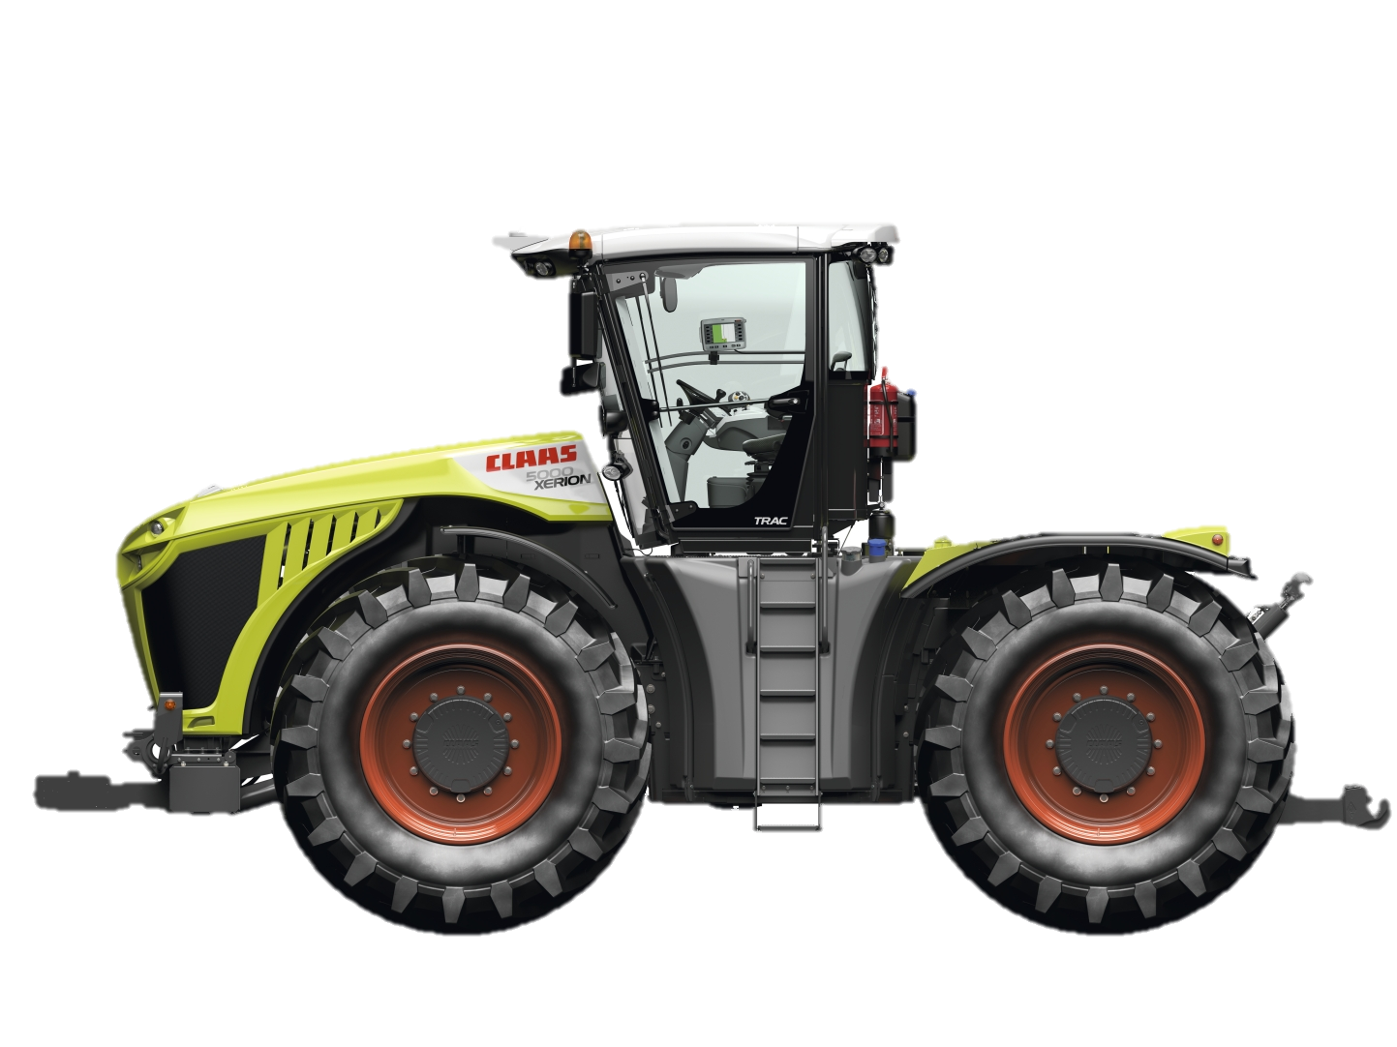
 | Tractor Configuration: | Select with drop-down:
1 | Model | XERION 5000 | Starting | weight | Ballasting
2 | Trac or Trac VC? | Trac | Total Tractor | 41,942
3 | Which tire size? | 710/70 R42 duals | Front Axle | 23,068 | 55%
 |  |  | Rear Axle | 18,874 | 45%
4 | Max. tractor groundspeed? | 31 mph
5 | With rear 3-Point hitch? | Yes |  |  |  |  |  |  |  |  |  |  | 0 lbs
6 | With front 3-Point hitch? | No |  |  |  | Front Ballasting: |  |  |  |  |  |  |  |  | Rear Ballasting:
7 | With PTO? | Yes |  |  | Select weight: | nothing |  |  |  |  |  |  |  | Select weight: | nothing
 |  | Drawbar |  | Type in own weight: |  | 0 lbs |  |  |  |  |  |  | Type in own weight: |  | 0 lbs
 |  | 0 mph
8 | Do you know the tounge weight of your implement? | No |  |  |  |  | 0 lbs
9 | If yes, type your tongue weight in: | 5,000 lbs |  |  |  |  |  |  |  |  |  |  |  | 0 lbs

 | Type of Implement Mount/Application | Weight Split (Front% /Rear%)
 | Drawbar Pulled Implement | 60 - 65% / 40 - 35%
 | 3 Pt Hitch Mounted Implement | 65% / 35%
 | Trailer Hauling | 50 - 55% / 50 - 45%

 | Desired Implement Ground Speed (mph) | Recommended (lbs/hp)
 | 1 - 4.5 mph | 120 lbs/hp
 | 4.5 - 6.0 mph | 110 lbs/hp |  |  |  |  |  | XERION Actual Weight Distribution
 | 6.0 - 7.5 mph | 100 lbs/hp |  |  |  |  | Caution ! |  | Front axle: | Caution ! |  |  | Rear axle: | Caution !
 | 7.5 mph or greater | 90 lbs/hp |  |  |  |  | Exceeding | Load (lbs): | 23,068 | Exceeding gross vehicle weight |  |  | 18,874 | Exceeding rear
 |  |  |  |  |  |  | front axle | Ballasting: | 55.0% |  | Total: | 41,942 lbs | 45.0% | axle weight

 |  |  |  |  |  |  |  |  |  | XERION Actual (lbs/hp)
** This spreadsheet is meant to be used as a general guideline for weighting a XERION |  |  |  |  |  |  |  |  |  |  | Total: | 81 lbs/hp
Depending on the type of implement, ground speed, tire pressures, etc. you may need to
ballast the XERION differently than outlined in this document.**
 |  |  |  |  |  |  |  | Weighting and Ballasting Guidelines
 |  |  |  |  |  |  | - Whenever you need to add weight to the XERION you should always add
 |  |  |  |  |  |  | weight to the front before adding any weight to the back plate

 |  |  |  |  |  |  | - Be careful to not overballast the XERION. Adding too much weight will increase
 |  |  |  |  |  |  | your fuel consumption unnecessarily and reduce the useful horsepower available

 |  |  |  |  |  |  | - By correctly ballasting the XERION you can ensure the tractor is as efficient as
 |  |  |  |  |  |  | possible and will maximize its performance

